Medical
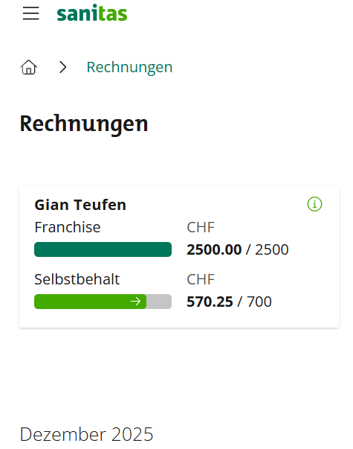
No | Invoice date | Seller | Product | Category | Invoice total | Not Covered by Insurance | Total in CHF | Page | Conversion Rates
1 | 20251113 | USZ | Hospitalization | Medical | CHF 4,214.00 | CHF 2,921.00 | CHF 2,921.00 | 1 | MWK/CHF | 1750
2 | 20251103 | USZ | Lab Work PCR | Medical | CHF 94.50 | CHF 9.45 | CHF 9.45 | 2
3 | 20251027 | USZ | Lab Work | Medical | CHF 141.00 | CHF 14.10 | CHF 14.10 | 3
4 | 20251124 | USZ | Lab Work | Medical | CHF 276.00 | CHF 27.60 | CHF 27.60 | 4
5 | 20251104 | USZ | Lab Work | Medical | CHF 189.00 | CHF 18.90 | CHF 18.90 | 5
6 | 20251103 | USZ | Session | Medical | CHF 202.00 | CHF 20.20 | CHF 20.20 | 6
7 | 20251027 | ZüriPharm | Medication | Medical | CHF 76.00 | CHF 7.60 | CHF 7.60 | 7
8 | 20250915 | Star Medical Centre | Diagnostics | Medical | MWK 97,800.00 | MWK 9,780.00 | CHF 5.59 | 8
9 | 20251006 | Star Medical Centre | Diagnostics | Medical | MWK 36,000.00 | MWK 3,600.00 | CHF 2.06 | 9
10 | 20251006 | Citipharm | Praziquantel | Medical | MWK 100,000.00 | MWK 10,000.00 | CHF 5.71 | 10
 |  |  |  |  |  | TOTAL CHF | CHF 3,018.85
 |  |  |  |  |  | TOTAL CHF covered by Liz | CHF 1,509.42

